Sheet1
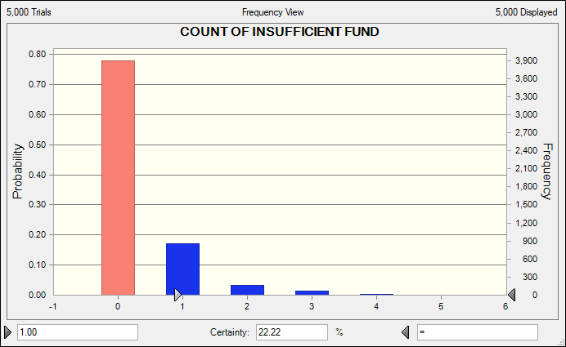
Initial Conditions |  |  |  | Problem Data
Number of Covered Employees |  |  | 18,533 | Max Decrease | 3.0% | Max Increase | 7% | Uniform Distribution
Average Claim per Employee |  |  | $250 | Monthly Increase | 1.0% | Std Dev | $3 | Normal Distribution
Amount Contributed per Employee |  |  | $125 | Constant

 | Beginning | Number of | Employee | company | Total | Avg Claim | Seasonal | Total | Company | Ending
Month | Balance | Employees | Contributions | Deposit | Funds | per Emp. | factor | Claims | cost | Balance
1 | $2,500,000.00 | 18,904 | $2,363,000 | $3,000,000.00 | $7,863,000.00 | $252.50 | 0.80 | $3,818,608 | $1,455,608 | $4,044,392.00
2 | $4,044,392.00 | 19,282 | $2,410,250 | $3,000,000.00 | $9,454,642.00 | $255.03 | 0.85 | $4,179,865 | $1,769,615 | $5,274,776.81
3 | $5,274,776.81 | 19,667 | $2,458,375 | $3,000,000.00 | $10,733,151.81 | $257.58 | 0.87 | $4,407,268 | $1,948,893 | $6,325,883.31
4 | $6,325,883.31 | 20,061 | $2,507,625 | $3,000,000.00 | $11,833,508.31 | $260.15 | 0.92 | $4,801,360 | $2,293,735 | $7,032,148.69
5 | $7,032,148.69 | 20,462 | $2,557,750 | $3,000,000.00 | $12,589,898.69 | $262.75 | 0.93 | $5,000,043 | $2,442,293 | $7,589,855.53
6 | $7,589,855.53 | 20,871 | $2,608,875 | $3,000,000.00 | $13,198,730.53 | $265.38 | 1.15 | $6,369,558 | $3,760,683 | $6,829,172.65
7 | $6,829,172.65 | 21,289 | $2,661,125 | $3,000,000.00 | $12,490,297.65 | $268.03 | 1.20 | $6,847,309 | $4,186,184 | $5,642,988.85
8 | $5,642,988.85 | 21,714 | $2,714,250 | $3,000,000.00 | $11,357,238.85 | $270.71 | 1.18 | $6,936,272 | $4,222,022 | $4,420,966.46
9 | $4,420,966.46 | 22,149 | $2,768,625 | $3,000,000.00 | $10,189,591.46 | $273.42 | 1.03 | $6,237,659 | $3,469,034 | $3,951,932.49
10 | $3,951,932.49 | 22,592 | $2,824,000 | $3,000,000.00 | $9,775,932.49 | $276.16 | 0.95 | $5,927,056 | $3,103,056 | $3,848,876.11
11 | $3,848,876.11 | 23,043 | $2,880,375 | $3,000,000.00 | $9,729,251.11 | $278.92 | 0.98 | $6,298,610 | $3,418,235 | $3,430,640.62
12 | $3,430,640.62 | 23,504 | $2,938,000 | $3,000,000.00 | $9,368,640.62 | $281.71 | 1.14 | $7,548,295 | $4,610,295 | $1,820,345.12
 |  |  |  |  |  |  |  | average company cost= | $3,056,638
 |  |  |  |  |  |  |  | count of insufficient of funds during the year= | 0

 |  | a) The chart chows the probability of insufficient of funds during the year is 22.22%

